V2
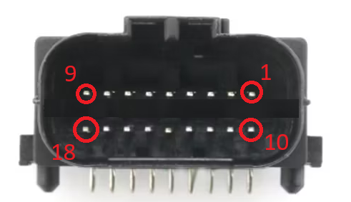
Pin Number | Basic Detail | Comments
1 | 12v Ignition (K15) | Switched power (for waking up the module)
2 | Ground | Chassis ground
3 | CAN L | Powertrain CAN Low
4 | CAN H | Powertrain CAN High
5 | Speed | 12v - pull-to-ground pulsed speed
6 | RPM | 12v - pull-to-ground pulsed rpm
7 | EML | 12v - pull-to-ground pulsed engine management light (EML) light
8 | EPC | 12v - pull-to-ground pulsed electronic pedal control (EPC) light
9 | Reverse | 5A MAX. reverse output (signalled from DSG CAN)
10 | Paddle up | Steering wheel paddle up - input to ground - for DSG
11 | Paddle down | Steering wheel paddle down - input to ground - for DSG
12 | Hall Speed | Hall sensor input - can broadcast over CAN if required
13 | N/A | Not used
14 | N/A | Not used
15 | N/A | Not used
16 | N/A | Not used
17 | N/A | Not used
18 | RPM | High voltage coil pulse - for MK1/MK2 etc

